Results
Freight rail transport results
 | January-March 2017 | January-March 2016 | January-March 2015 | change % 2017/2016 | change % 2016/2015
number of passengers [m passengers] | 54.15 | 49.94 | 50.41 | 8.42% | -0.93%
transport performance [m passenger-km] | 12,118.03 | 11,390.02 | 11,309.69 | 6.39% | 0.71%
operating performance [m train-km] | 17.69 | 16.71 | 16.65 | 5.87% | 0.39%
Weight [m ton]
 | 2017 | 2016 | 2015 | change % 2017/2016 | change % 2016/2015
January | 17.06 | 15.70 | 16.28 | 8.65% | -3.56%
February | 16.80 | 16.44 | 15.31 | 2.20% | 7.36%
March | 20.28 | 17.79 | 18.81 | 13.97% | -5.41%
April |  | 17.59 | 18.13 |  | -2.95%
May |  | 17.56 | 18.87 |  | -6.95%
June |  | 18.71 | 18.79 |  | -0.45%
July |  | 18.83 | 19.38 |  | -2.85%
August |  | 19.19 | 18.82 |  | 1.93%
September |  | 20.03 | 20.62 |  | -2.86%
October |  | 20.59 | 21.28 |  | -3.27%
November |  | 20.15 | 20.12 |  | 0.18%
December |  | 19.67 | 18.36 |  | 7.12%

 | 2015 | 2016 | 2017
January | 16.28 | 15.70 | 17.06
February | 15.31 | 16.44 | 16.80
March | 18.81 | 17.79 | 20.28
April | 18.13 | 17.59
May | 18.87 | 17.56
June | 18.79 | 18.71
July | 19.38 | 18.83
August | 18.82 | 19.19
September | 20.62 | 20.03
October | 21.28 | 20.59
November | 20.12 | 20.15
December | 18.36 | 19.67

Transport performance [m t-km]
 | 2017 | 2016 | 2015 | change % 2017/2016 | change % 2016/2015
January | 3,709.12 | 3,422.45 | 3,456.21 | 8.38% | -0.98%
February | 3,853.42 | 3,755.19 | 3,602.20 | 2.62% | 4.25%
March | 4,555.49 | 4,212.38 | 4,251.29 | 8.15% | -0.92%
April |  | 4,152.61 | 4,061.05 |  | 2.25%
May |  | 4,142.06 | 4,350.40 |  | -4.79%
June |  | 4,256.86 | 4,201.35 |  | 1.32%
July |  | 4,210.14 | 4,345.84 |  | -3.12%
August |  | 4,381.67 | 4,235.00 |  | 3.46%
September |  | 4,493.90 | 4,632.20 |  | -2.99%
October |  | 4,730.39 | 4,821.45 |  | -1.89%
November |  | 4,493.00 | 4,578.78 |  | -1.87%
December |  | 4,363.49 | 4,069.76 |  | 7.22%

 | 2015 | 2016 | 2017
January | 3,456.21 | 3,422.45 | 3,709.12
February | 3,602.20 | 3,755.19 | 3,853.42
March | 4,251.29 | 4,212.38 | 4,555.49
April | 4,061.05 | 4,152.61
May | 4,350.40 | 4,142.06
June | 4,201.35 | 4,256.86
July | 4,345.84 | 4,210.14
August | 4,235.00 | 4,381.67
September | 4,632.20 | 4,493.90
October | 4,821.45 | 4,730.39
November | 4,578.78 | 4,493.00
December | 4,069.76 | 4,363.49

Operating performance [m train-km]
 | 2017 | 2016 | 2015 | change % 2017/2016 | change % 2016/2015
January | 5.49 | 5.13 | 5.13 | 6.98% | -0.12%
February | 5.58 | 5.50 | 5.22 | 1.39% | 5.34%
March | 6.63 | 6.08 | 6.29 | 8.98% | -3.32%
April |  | 6.02 | 5.96 |  | 0.90%
May |  | 6.07 | 6.35 |  | -4.36%
June |  | 6.33 | 6.30 |  | 0.38%
July |  | 6.18 | 6.36 |  | -2.76%
August |  | 6.28 | 6.33 |  | -0.80%
September |  | 6.54 | 6.87 |  | -4.76%
October |  | 6.92 | 7.20 |  | -3.89%
November |  | 6.58 | 6.74 |  | -2.31%
December |  | 6.32 | 6.01 |  | 5.11%
 | 2015 | 2016 | 2017
January | 5.13 | 5.13 | 5.49
February | 5.22 | 5.50 | 5.58
March | 6.29 | 6.08 | 6.63
April | 5.96 | 6.02
May | 6.35 | 6.07
June | 6.30 | 6.33
July | 6.36 | 6.18
August | 6.33 | 6.28
September | 6.87 | 6.54
October | 7.20 | 6.92
November | 6.74 | 6.58
December | 6.01 | 6.32

Average distance [km]
 | 2017 | 2016 | 2015 | change % 2017/2016 | change % 2016/2015
January | 217 | 218 | 236 | -0.25% | -7.80%
February | 229 | 228 | 245 | 0.41% | -6.89%
March | 225 | 237 | 239 | -5.11% | -0.89%
April |  | 236 | 244 |  | -3.38%
May |  | 236 | 235 |  | 0.50%
June |  | 228 | 228 |  | -0.01%
July |  | 224 | 230 |  | -2.71%
August |  | 228 | 239 |  | -4.48%
September |  | 224 | 240 |  | -6.66%
October |  | 230 | 244 |  | -5.74%
November |  | 223 | 245 |  | -8.85%
December |  | 222 | 241 |  | -7.96%
 | 2017 | 2016 | 2015
January | 217 | 218 | 236
February | 229 | 228 | 245
March | 225 | 237 | 239
April |  | 236 | 244
May |  | 236 | 235
June |  | 228 | 228
July |  | 224 | 230
August |  | 228 | 239
September |  | 224 | 240
October |  | 230 | 244
November |  | 223 | 245
December |  | 222 | 241

Shares
Share of railway undertakings in terms of transported weight (share>0,5%) |  |  |  |  |  |  |  |  |  |  |  |  |  |  |  |  |  |  |  |  |  |  |  |  |  | Share of railway undertakings in terms of transported weight (share>0,5%) short version
 | I 2017 | I 2016 | I-II 2017 | I-II 2016 | I-III 2017 | I-III 2016 | I-IV 2017 | I-IV 2016 | I-V 2017 | I-V 2016 | I-VI 2017 | I-VI 2016 | I-VII 2017 | I-VII 2016 | I-VIII 2017 | I-VIII 2016 | I-IX 2017 | I-IX 2016 | I-X 2017 | I-X 2016 | I-XI 2017 | I-XI 2016 | 2017 | 2016 |  |  | I-III 2017 | I-III 2016 | 2016
PKP Cargo | 44.22% | 44.67% | 44.53% | 44.23% | 44.41% | 44.03% |  | 43.57% |  | 43.50% |  | 43.53% |  | 43.49% |  | 43.48% |  | 43.60% |  | 43.71% |  | 43.83% |  | 43.86% |  | PKP Cargo | 44.41% | 44.03% | 43.86%
DB Cargo Polska | 19.98% | 19.15% | 19.10% | 19.12% | 19.14% | 18.62% |  | 18.38% |  | 18.09% |  | 18.19% |  | 18.17% |  | 18.26% |  | 18.24% |  | 18.15% |  | 18.02% |  | 17.99% |  | DB Cargo Polska | 19.14% | 18.62% | 17.99%
Lotos Kolej | 5.95% | 6.48% | 5.87% | 6.41% | 5.60% | 6.22% |  | 6.15% |  | 6.06% |  | 5.92% |  | 5.86% |  | 5.84% |  | 5.80% |  | 5.76% |  | 5.73% |  | 5.70% |  | Lotos Kolej | 5.60% | 6.22% | 5.70%
PKP LHS | 4.62% | 3.98% | 4.56% | 3.92% | 4.47% | 4.15% |  | 4.30% |  | 4.50% |  | 4.43% |  | 4.36% |  | 4.33% |  | 4.30% |  | 4.39% |  | 4.42% |  | 4.48% |  | PKP LHS | 4.47% | 4.15% | 4.48%
CTL Logistics | 3.98% | 4.75% | 3.99% | 4.50% | 3.64% | 4.41% |  | 4.26% |  | 4.27% |  | 4.30% |  | 4.37% |  | 4.38% |  | 4.39% |  | 4.40% |  | 4.35% |  | 4.32% |  | CTL Logistics | 3.64% | 4.41% | 4.32%
PUK Kolprem | 3.06% | 3.06% | 3.02% | 2.98% | 2.97% | 3.00% |  | 2.99% |  | 2.95% |  | 2.87% |  | 2.82% |  | 2.79% |  | 2.76% |  | 2.73% |  | 2.72% |  | 2.73% |  | PUK Kolprem | 2.97% | 3.00% | 2.73%
Freightliner PL | 1.61% | 1.44% | 2.02% | 1.66% | 2.26% | 1.91% |  | 1.99% |  | 1.96% |  | 1.99% |  | 2.07% |  | 2.14% |  | 1.44% |  | 2.24% |  | 2.26% |  | 2.27% |  | Freightliner PL | 2.26% | 1.91% | 2.27%
Pol-Miedź Trans | 2.00% | 2.03% | 2.04% | 2.21% | 2.17% | 2.32% |  | 2.37% |  | 2.38% |  | 2.37% |  | 2.34% |  | 2.30% |  | 2.27% |  | 2.27% |  | 2.27% |  | 2.26% |  | Pol-Miedź Trans | 2.17% | 2.32% | 2.26%
Orlen Kol-Trans | 1.98% | 2.12% | 1.84% | 2.00% | 1.77% | 1.90% |  | 1.89% |  | 1.89% |  | 1.79% |  | 1.78% |  | 1.78% |  | 1.73% |  | 1.66% |  | 1.62% |  | 1.61% |  | Orlen Kol-Trans | 1.77% | 1.90% | 1.61%
Ciech Cargo | 1.36% | 1.21% | 1.32% | 1.23% | 1.29% | 1.27% |  | 1.29% |  | 1.31% |  | 1.29% |  | 1.27% |  | 1.24% |  | 1.23% |  | 1.21% |  | 1.22% |  | 1.23% |  | Ciech Cargo | 1.29% | 1.27% | 1.23%
CTL Train | 1.23% | 1.38% | 1.28% | 1.35% | 1.25% | 1.25% |  | 1.27% |  | 1.26% |  | 1.29% |  | 1.32% |  | 1.36% |  | 1.37% |  | 1.34% |  | 1.33% |  | 1.32% |  | CTL Train | 1.25% | 1.25% | 1.32%
Rail Polska | 1.20% | 1.05% | 1.32% | 1.37% | 1.22% | 1.51% |  | 1.55% |  | 1.58% |  | 1.56% |  | 1.60% |  | 1.59% |  | 1.59% |  | 1.59% |  | 1.59% |  | 1.61% |  | Rail Polska | 1.22% | 1.51% | 1.61%
Koleje Czeskie | 1.21% | 0.87% | 1.05% | 0.78% | 1.02% | 0.89% |  | 0.92% |  | 0.89% |  | 0.89% |  | 0.91% |  | 0.90% |  | 0.87% |  | 0.90% |  | 0.93% |  | 0.95% |  | Koleje Czeskie | 1.02% | 0.89% | 0.95%
Euronaft | 0.77% | 0.72% | 0.89% | 0.72% | 0.88% | 0.70% |  | 0.69% |  | 0.71% |  | 0.66% |  | 0.66% |  | 0.65% |  | 0.65% |  | 0.66% |  | 0.66% |  | 0.67% |  | Euronaft | 0.88% | 0.70% | 0.67%
STK | 0.70% | 0.62% | 0.75% | 0.61% | 0.80% | 0.61% |  | 0.65% |  | 0.74% |  | 0.79% |  | 0.80% |  | 0.81% |  | 0.85% |  | 0.89% |  | 0.91% |  | 0.90% |  | STK | 0.80% | 0.61% | 0.90%
KP Kotlarnia | 0.49% | 0.80% | 0.59% | 0.76% | 0.77% | 0.88% |  | 1.03% |  | 1.10% |  | 1.17% |  | 1.20% |  | 1.21% |  | 1.19% |  | 1.16% |  | 1.15% |  | 1.13% |  | KP Kotlarnia | 0.77% | 0.88% | 1.13%
Captrain Polska | 0.74% | 0.32% | 0.74% | 0.35% | 0.72% | 0.36% |  | 0.48% |  | 0.55% |  | 0.60% |  | 0.62% |  | 0.62% |  | 0.64% |  | 0.64% |  | 0.65% |  | 0.64% |  | Captrain Polska | 0.72% | 0.36% | 0.64%
ZPiS Spedkoks | 0.64% | 0.55% | 0.62% | 0.62% | 0.61% | 0.66% |  | 0.67% |  | 0.67% |  | 0.67% |  | 0.68% |  | 0.67% |  | 0.67% |  | 0.66% |  | 0.66% |  | 0.66% |  | ZPiS Spedkoks | 0.61% | 0.66% | 0.66%
Ecco Rail | 0.54% | 0.53% | 0.57% | 0.59% | 0.60% | 0.58% |  | 0.59% |  | 0.58% |  | 0.59% |  | 0.60% |  | 0.60% |  | 0.58% |  | 0.59% |  | 0.60% |  | 0.60% |  | Ecco Rail | 0.60% | 0.58% | 0.60%
Other | 3.73% | 4.24% | 3.91% | 4.59% | 4.42% | 4.73% |  | 4.94% |  | 5.02% |  | 5.09% |  | 5.08% |  | 5.02% |  | 5.81% |  | 5.04% |  | 5.07% |  | 5.05% |  | Other | 4.42% | 4.73% | 5.05%
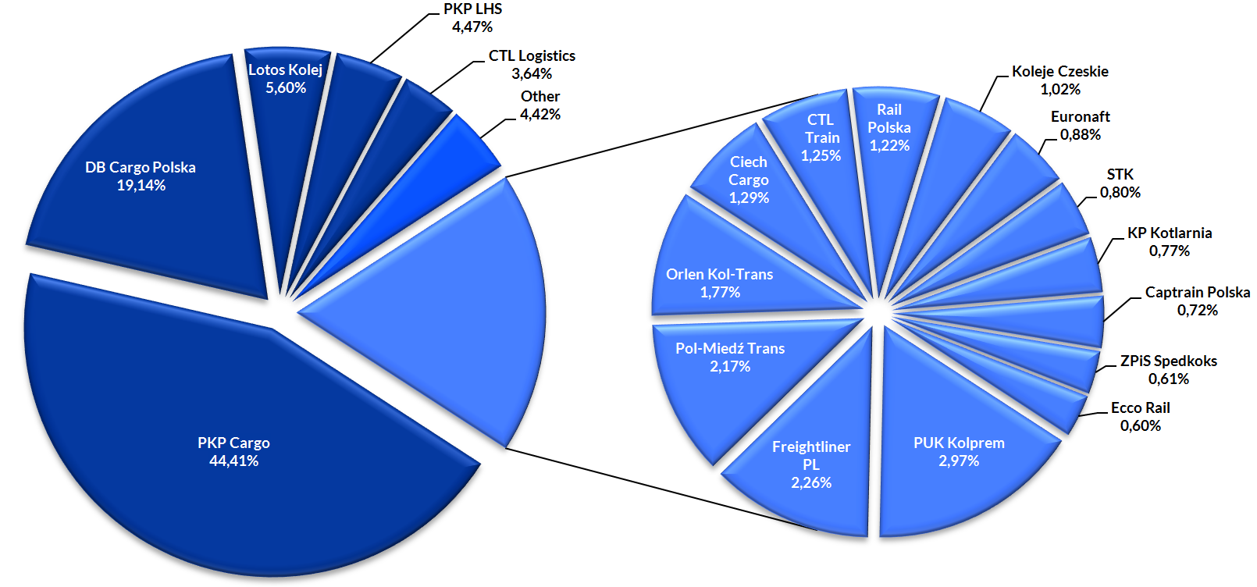
Share of railway undertakings in terms of transported weight, January-March 2017 (share>0,5%)

Share of railway undertakings in terms of transport performance, January-March 2017 (share>0,5%) |  |  |  |  |  |  |  |  |  |  |  |  |  |  |  |  |  |  |  |  |  |  |  |  |  | Share of railway undertakings in terms of transport performance, January-February 2017 short version
 | I 2017 | I 2016 | I-II 2017 | I-II 2016 | I-III 2017 | I-III 2016 | I-IV 2017 | I-IV 2016 | I-V 2017 | I-V 2016 | I-VI 2017 | I-VI 2016 | I-VII 2017 | I-VII 2016 | I-VIII 2017 | I-VIII 2016 | I-IX 2017 | I-IX 2016 | I-X 2017 | I-X 2016 | I-XI 2017 | I-XI 2016 | 2017 | 2016 |  |  | I-III 2017 | I-III 2016 | 2016
PKP Cargo | 52.55% | 51.37% | 52.13% | 51.90% | 51.96% | 52.01% |  | 51.23% |  | 50.99% |  | 51.05% |  | 51.15% |  | 51.17% |  | 51.25% |  | 51.35% |  | 51.46% |  | 51.37% |  | PKP Cargo | 51.96% | 52.01% | 51.37%
Lotos Kolej | 10.21% | 11.83% | 9.89% | 11.43% | 9.64% | 10.87% |  | 10.61% |  | 10.49% |  | 10.33% |  | 10.33% |  | 10.38% |  | 10.37% |  | 10.30% |  | 10.26% |  | 10.20% | ` | Lotos Kolej | 9.64% | 10.87% | 10.20%
PKP LHS | 6.72% | 5.86% | 6.49% | 5.65% | 6.40% | 6.00% |  | 6.29% |  | 6.57% |  | 6.48% |  | 6.40% |  | 6.39% |  | 6.37% |  | 6.47% |  | 6.49% |  | 6.58% |  | PKP LHS | 6.40% | 6.00% | 6.58%
DB Cargo Polska | 5.98% | 5.52% | 5.93% | 5.38% | 5.85% | 5.06% |  | 5.49% |  | 5.41% |  | 5.53% |  | 5.46% |  | 5.50% |  | 5.42% |  | 5.32% |  | 5.23% |  | 5.21% |  | DB Cargo Polska | 5.85% | 5.06% | 5.21%
CTL Logistics | 5.29% | 6.99% | 5.11% | 6.45% | 4.67% | 6.23% |  | 5.91% |  | 5.97% |  | 5.97% |  | 5.92% |  | 5.81% |  | 5.85% |  | 5.91% |  | 5.87% |  | 5.94% |  | CTL Logistics | 4.67% | 6.23% | 5.94%
Freightliner PL | 1.92% | 2.12% | 2.76% | 2.20% | 2.94% | 2.46% |  | 2.67% |  | 2.63% |  | 2.64% |  | 2.67% |  | 2.74% |  | 2.80% |  | 2.80% |  | 2.83% |  | 2.83% |  | Freightliner PL | 2.94% | 2.46% | 2.83%
Orlen Kol-Trans | 2.90% | 3.36% | 2.77% | 3.00% | 2.67% | 2.73% |  | 2.69% |  | 2.65% |  | 2.56% |  | 2.53% |  | 2.51% |  | 2.47% |  | 2.35% |  | 2.30% |  | 2.27% |  | Orlen Kol-Trans | 2.67% | 2.73% | 2.27%
Pol-Miedź Trans | 1.36% | 1.51% | 1.42% | 1.71% | 1.69% | 1.84% |  | 1.91% |  | 1.91% |  | 1.94% |  | 1.92% |  | 1.88% |  | 1.87% |  | 1.87% |  | 1.87% |  | 1.87% |  | Pol-Miedź Trans | 1.69% | 1.84% | 1.87%
PUK Kolprem | 1.62% | 1.45% | 1.54% | 1.35% | 1.49% | 1.35% |  | 1.34% |  | 1.34% |  | 1.34% |  | 1.34% |  | 1.33% |  | 1.30% |  | 1.28% |  | 1.27% |  | 1.29% |  | PUK Kolprem | 1.49% | 1.35% | 1.29%
Euronaft Trzebinia | 1.29% | 1.10% | 1.38% | 1.14% | 1.34% | 1.09% |  | 1.07% |  | 1.09% |  | 1.04% |  | 1.03% |  | 1.04% |  | 1.02% |  | 1.02% |  | 1.03% |  | 1.04% |  | Euronaft Trzebinia | 1.34% | 1.09% | 1.04%
Rail Polska | 0.88% | 0.83% | 1.19% | 1.35% | 1.20% | 1.56% |  | 1.66% |  | 1.69% |  | 1.71% |  | 1.76% |  | 1.76% |  | 1.76% |  | 1.73% |  | 1.73% |  | 1.70% |  | Rail Polska | 1.20% | 1.56% | 1.70%
STK | 1.24% | 0.96% | 1.18% | 0.91% | 1.18% | 0.89% |  | 0.92% |  | 0.94% |  | 0.93% |  | 0.93% |  | 0.93% |  | 0.96% |  | 1.03% |  | 1.08% |  | 1.10% |  | STK | 1.18% | 0.89% | 1.10%
Inter Cargo | 0.57% | 0.47% | 0.75% | 0.55% | 1.10% | 0.58% |  | 0.64% |  | 0.66% |  | 0.62% |  | 0.63% |  | 0.56% |  | 0.57% |  | 0.55% |  | 0.53% |  | 0.53% |  | Inter Cargo | 1.10% | 0.58% | 0.53%
Captrain Polska | 1.05% | 0.63% | 1.04% | 0.68% | 1.06% | 0.68% |  | 0.84% |  | 0.94% |  | 1.00% |  | 1.03% |  | 1.03% |  | 1.04% |  | 1.05% |  | 1.05% |  | 1.05% |  | Captrain Polska | 1.06% | 0.68% | 1.05%
Ciech Cargo | 1.13% | 1.34% | 1.06% | 1.16% | 1.02% | 1.09% |  | 1.06% |  | 1.08% |  | 1.06% |  | 1.06% |  | 1.05% |  | 1.04% |  | 1.01% |  | 1.03% |  | 1.05% |  | Ciech Cargo | 1.02% | 1.09% | 1.05%
Ecco Rail | 0.91% | 0.73% | 0.93% | 0.84% | 0.97% | 0.87% |  | 0.91% |  | 0.89% |  | 0.92% |  | 0.93% |  | 0.93% |  | 0.92% |  | 0.91% |  | 0.93% |  | 0.94% |  | Ecco Rail | 0.97% | 0.87% | 0.94%
Koleje Czeskie | 0.65% | 0.93% | 0.66% | 0.78% | 0.75% | 0.87% |  | 0.80% |  | 0.73% |  | 0.71% |  | 0.70% |  | 0.70% |  | 0.69% |  | 0.67% |  | 0.67% |  | 0.66% |  | Koleje Czeskie | 0.75% | 0.87% | 0.66%
Other | 3.72% | 2.99% | 3.75% | 3.53% | 4.07% | 3.81% |  | 3.95% |  | 4.05% |  | 4.18% |  | 4.23% |  | 4.29% |  | 4.32% |  | 4.34% |  | 4.38% |  | 4.36% |  | Other | 4.07% | 3.81% | 4.36%
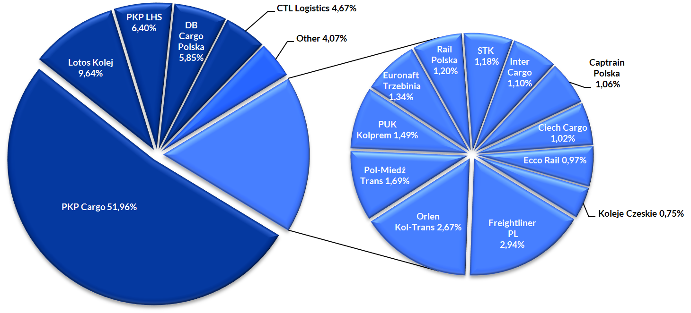
Share of railway undertakings in terms of transport performance, January-March 2017 (share>0,5%)

